TOTAL
Alkalmazott szűrők: TRANSPORT_MODE egyezik ezzel: Sea Reference type egyezik ezzel: Highlighted references only „QUERY_List_Carrier_name_EDIQ_Act”[LSP] egyezik ezzel: Maersk Date ekkori vagy későbbi a következőnél: 2026.03.16. 0:00:00 és dátuma korábbi, mint 2026.03.23. 0:00:00 SHIPMENT_CANCELLED egyezik ezzel: (Üres) Previous and next 1 year egyezik ezzel: Y KPI_Category nem egyezik ezzel: Mapping

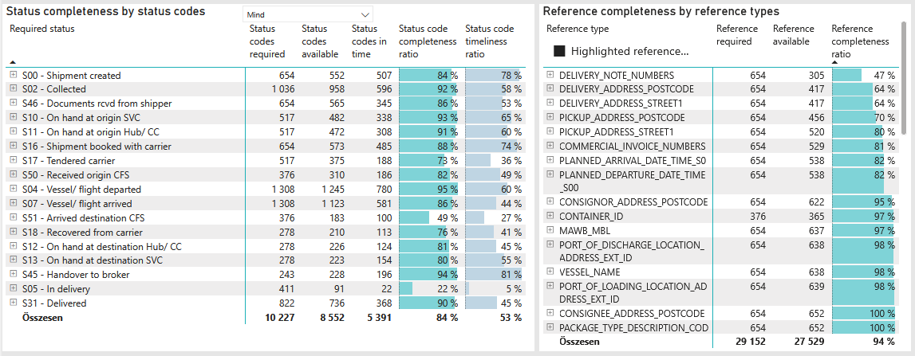
Required status | Status type | „QUERY_List_Carrier_EDIQ_Act”[LSP] | Status codes required | Status codes available | Status codes in time | Status code completeness ratio | Status code timeliness ratio
S00 - Shipment created | Actual | Maersk | 654 | 552 | 507 | 84 % | 78 %
S02 - Collected | Estimated | Maersk | 518 | 490 | 423 | 95 % | 82 %
S02 - Collected | Actual | Maersk | 518 | 468 | 173 | 90 % | 33 %
S46 - Documents rcvd from shipper | Actual | Maersk | 654 | 565 | 345 | 86 % | 53 %
S10 - On hand at origin SVC | Actual | Maersk | 517 | 482 | 338 | 93 % | 65 %
S11 - On hand at origin Hub/ CC | Actual | Maersk | 517 | 472 | 308 | 91 % | 60 %
S16 - Shipment booked with carrier | Actual | Maersk | 654 | 573 | 485 | 88 % | 74 %
S17 - Tendered carrier | Actual | Maersk | 517 | 375 | 188 | 73 % | 36 %
S50 - Received origin CFS | Actual | Maersk | 376 | 310 | 186 | 82 % | 49 %
S04 - Vessel/ flight departed | Estimated | Maersk | 654 | 632 | 524 | 97 % | 80 %
S04 - Vessel/ flight departed | Actual | Maersk | 654 | 613 | 256 | 94 % | 39 %
S07 - Vessel/ flight arrived | Estimated | Maersk | 654 | 618 | 245 | 94 % | 37 %
S07 - Vessel/ flight arrived | Actual | Maersk | 654 | 505 | 336 | 77 % | 51 %
S51 - Arrived destination CFS | Actual | Maersk | 376 | 183 | 100 | 49 % | 27 %
S18 - Recovered from carrier | Actual | Maersk | 278 | 210 | 113 | 76 % | 41 %
S12 - On hand at destination Hub/ CC | Actual | Maersk | 278 | 226 | 124 | 81 % | 45 %
S13 - On hand at destination SVC | Actual | Maersk | 278 | 223 | 154 | 80 % | 55 %
S45 - Handover to broker | Actual | Maersk | 243 | 228 | 196 | 94 % | 81 %
S05 - In delivery | Actual | Maersk | 411 | 91 | 22 | 22 % | 5 %
S31 - Delivered | Estimated | Maersk | 411 | 390 | 279 | 95 % | 68 %
S31 - Delivered | Actual | Maersk | 411 | 346 | 89 | 84 % | 22 %

FCL
Alkalmazott szűrők: TRANSPORT_MODE egyezik ezzel: Sea TRANSPORT_SERVICE_PRIORITY egyezik ezzel: FCL/FCL/FCL Reference type egyezik ezzel: Highlighted references only „QUERY_List_Carrier_name_EDIQ_Act”[LSP] egyezik ezzel: Maersk Date ekkori vagy későbbi a következőnél: 2026.03.16. 0:00:00 és dátuma korábbi, mint 2026.03.23. 0:00:00 SHIPMENT_CANCELLED egyezik ezzel: (Üres) Previous and next 1 year egyezik ezzel: Y KPI_Category nem egyezik ezzel: Mapping
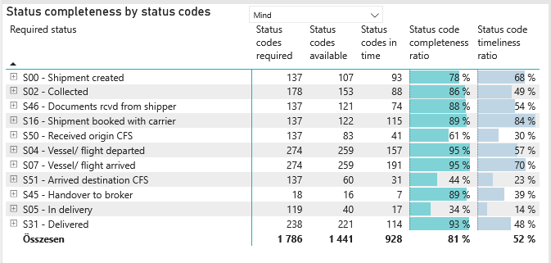
Required status | Status type | „QUERY_List_Carrier_EDIQ_Act”[LSP] | Status codes required | Status codes available | Status codes in time | Status code completeness ratio | Status code timeliness ratio
S00 - Shipment created | Actual | Maersk | 137 | 107 | 93 | 78 % | 68 %
S02 - Collected | Estimated | Maersk | 89 | 84 | 67 | 94 % | 75 %
S02 - Collected | Actual | Maersk | 89 | 69 | 21 | 78 % | 24 %
S46 - Documents rcvd from shipper | Actual | Maersk | 137 | 121 | 74 | 88 % | 54 %
S16 - Shipment booked with carrier | Actual | Maersk | 137 | 122 | 115 | 89 % | 84 %
S50 - Received origin CFS | Actual | Maersk | 137 | 83 | 41 | 61 % | 30 %
S04 - Vessel/ flight departed | Estimated | Maersk | 137 | 130 | 116 | 95 % | 85 %
S04 - Vessel/ flight departed | Actual | Maersk | 137 | 129 | 41 | 94 % | 30 %
S07 - Vessel/ flight arrived | Estimated | Maersk | 137 | 133 | 87 | 97 % | 64 %
S07 - Vessel/ flight arrived | Actual | Maersk | 137 | 126 | 104 | 92 % | 76 %
S51 - Arrived destination CFS | Actual | Maersk | 137 | 60 | 31 | 44 % | 23 %
S45 - Handover to broker | Actual | Maersk | 18 | 16 | 7 | 89 % | 39 %
S05 - In delivery | Actual | Maersk | 119 | 40 | 17 | 34 % | 14 %
S31 - Delivered | Estimated | Maersk | 119 | 116 | 80 | 97 % | 67 %
S31 - Delivered | Actual | Maersk | 119 | 105 | 34 | 88 % | 29 %

BCO
Alkalmazott szűrők: TRANSPORT_MODE egyezik ezzel: Sea TRANSPORT_SERVICE_PRIORITY egyezik ezzel: LCL/FCL/FCL Reference type egyezik ezzel: Highlighted references only „QUERY_List_Carrier_name_EDIQ_Act”[LSP] egyezik ezzel: Maersk Date ekkori vagy későbbi a következőnél: 2026.03.16. 0:00:00 és dátuma korábbi, mint 2026.03.23. 0:00:00 SHIPMENT_CANCELLED egyezik ezzel: (Üres) Previous and next 1 year egyezik ezzel: Y KPI_Category nem egyezik ezzel: Mapping
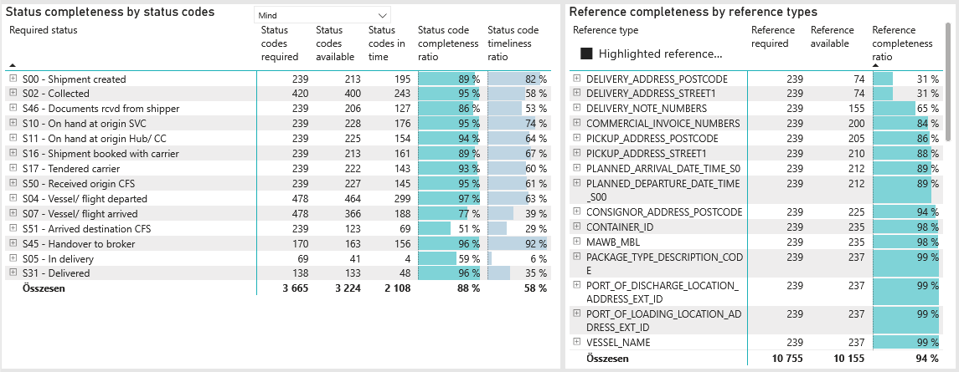
Required status | Status type | „QUERY_List_Carrier_EDIQ_Act”[LSP] | Status codes required | Status codes available | Status codes in time | Status code completeness ratio | Status code timeliness ratio
S00 - Shipment created | Actual | Maersk | 239 | 213 | 195 | 89 % | 82 %
S02 - Collected | Estimated | Maersk | 210 | 199 | 172 | 95 % | 82 %
S02 - Collected | Actual | Maersk | 210 | 201 | 71 | 96 % | 34 %
S46 - Documents rcvd from shipper | Actual | Maersk | 239 | 206 | 127 | 86 % | 53 %
S10 - On hand at origin SVC | Actual | Maersk | 239 | 228 | 176 | 95 % | 74 %
S11 - On hand at origin Hub/ CC | Actual | Maersk | 239 | 225 | 154 | 94 % | 64 %
S16 - Shipment booked with carrier | Actual | Maersk | 239 | 213 | 161 | 89 % | 67 %
S17 - Tendered carrier | Actual | Maersk | 239 | 222 | 143 | 93 % | 60 %
S50 - Received origin CFS | Actual | Maersk | 239 | 227 | 145 | 95 % | 61 %
S04 - Vessel/ flight departed | Estimated | Maersk | 239 | 236 | 204 | 99 % | 85 %
S04 - Vessel/ flight departed | Actual | Maersk | 239 | 228 | 95 | 95 % | 40 %
S07 - Vessel/ flight arrived | Estimated | Maersk | 239 | 235 | 133 | 98 % | 56 %
S07 - Vessel/ flight arrived | Actual | Maersk | 239 | 131 | 55 | 55 % | 23 %
S51 - Arrived destination CFS | Actual | Maersk | 239 | 123 | 69 | 51 % | 29 %
S45 - Handover to broker | Actual | Maersk | 170 | 163 | 156 | 96 % | 92 %
S05 - In delivery | Actual | Maersk | 69 | 41 | 4 | 59 % | 6 %
S31 - Delivered | Estimated | Maersk | 69 | 68 | 45 | 99 % | 65 %
S31 - Delivered | Actual | Maersk | 69 | 65 | 3 | 94 % | 4 %

LCL
Alkalmazott szűrők: TRANSPORT_MODE egyezik ezzel: Sea TRANSPORT_SERVICE_PRIORITY egyezik ezzel: LCL/LCL/LCL Reference type egyezik ezzel: Highlighted references only „QUERY_List_Carrier_name_EDIQ_Act”[LSP] egyezik ezzel: Maersk Date ekkori vagy későbbi a következőnél: 2026.03.16. 0:00:00 és dátuma korábbi, mint 2026.03.23. 0:00:00 SHIPMENT_CANCELLED egyezik ezzel: (Üres) Previous and next 1 year egyezik ezzel: Y KPI_Category nem egyezik ezzel: Mapping

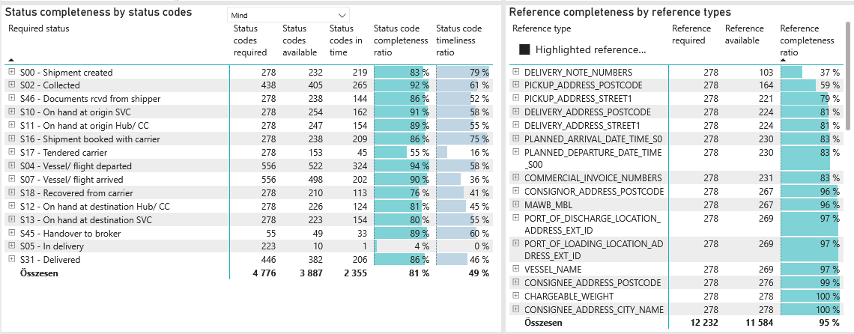
Required status | Status type | „QUERY_List_Carrier_EDIQ_Act”[LSP] | Status codes required | Status codes available | Status codes in time | Status code completeness ratio | Status code timeliness ratio
S00 - Shipment created | Actual | Maersk | 278 | 232 | 219 | 83 % | 79 %
S02 - Collected | Estimated | Maersk | 219 | 207 | 184 | 95 % | 84 %
S02 - Collected | Actual | Maersk | 219 | 198 | 81 | 90 % | 37 %
S46 - Documents rcvd from shipper | Actual | Maersk | 278 | 238 | 144 | 86 % | 52 %
S10 - On hand at origin SVC | Actual | Maersk | 278 | 254 | 162 | 91 % | 58 %
S11 - On hand at origin Hub/ CC | Actual | Maersk | 278 | 247 | 154 | 89 % | 55 %
S16 - Shipment booked with carrier | Actual | Maersk | 278 | 238 | 209 | 86 % | 75 %
S17 - Tendered carrier | Actual | Maersk | 278 | 153 | 45 | 55 % | 16 %
S04 - Vessel/ flight departed | Estimated | Maersk | 278 | 266 | 204 | 96 % | 73 %
S04 - Vessel/ flight departed | Actual | Maersk | 278 | 256 | 120 | 92 % | 43 %
S07 - Vessel/ flight arrived | Estimated | Maersk | 278 | 250 | 25 | 90 % | 9 %
S07 - Vessel/ flight arrived | Actual | Maersk | 278 | 248 | 177 | 89 % | 64 %
S18 - Recovered from carrier | Actual | Maersk | 278 | 210 | 113 | 76 % | 41 %
S12 - On hand at destination Hub/ CC | Actual | Maersk | 278 | 226 | 124 | 81 % | 45 %
S13 - On hand at destination SVC | Actual | Maersk | 278 | 223 | 154 | 80 % | 55 %
S45 - Handover to broker | Actual | Maersk | 55 | 49 | 33 | 89 % | 60 %
S05 - In delivery | Actual | Maersk | 223 | 10 | 1 | 4 % | 0 %
S31 - Delivered | Estimated | Maersk | 223 | 206 | 154 | 92 % | 69 %
S31 - Delivered | Actual | Maersk | 223 | 176 | 52 | 79 % | 23 %

